1
 |  | SAG ALSAHRA

 |  |  |  |  |  | PO Box: 757,4th Floor, Dar Al Atta Building, Ghala Heights, Muscat, Sultanate of Oman
 |  | MUD MOTOR INSPECTION REPORT |  |  |  |  |  |  |  |  |  |  |  |  |  |  |  |  |  |  | Report No:
CUSTOMER: | RAY OIL & GAS |  |  |  |  |  |  |  | LOCATION: |  | NISWA WORKSHOP |  |  |  |  | JOB No: | 26028 |  |  |  |  | DATE:

SPECIFICATION: | DS-1 Vol 4 : |  | Tool Type: |  |  | TYPE A |  |  | Classification: |  |  |  | CLASS- A1 |  |  | RIG No: |  |  | N/A |  |  | WELL: |  | N/A

INSPECTION PROGRAM: |  |  |  | INSPECTION EQUIPMENT DETAILS: |  |  |  |  |  |  |  | DETAILS OF CONSUMABLES : |  |  |  |  |  |  |  |  | INSPECTION PARTICULARS

Visual Connection Inspection |  | ü |  | Equipment |  |  | Serial No. |  | Cal due on |  |  | Product |  |  | Manufactured by |  |  | Date of Expiry |  |  | Light Intensity ( LUX ) |  |  |  | 1400 LUX
Visual Body Inspection |  | ü |  | A.C Yoke |  |  | MNH25F88 |  | 01-07-2026 |  |  | White Contrast |  |  | MR CHEMIE-MR72 |  |  | 11/2030 |  |  | UV Intensity ( µ W ) |  |  |  | 1150 µ W
MPI Body Inspection |  | ü |  | Black Light |  |  | 76414 |  | 15/03/2026 |  |  | Black Ink |  |  | MR CHEMIE-MR76S |  |  | 07/2030 |  |  | Surface Condition |  |  |  | CLEAN
Liquid Penetrant Inspection |  |  |  | Mag. Coil |  |  | 230327 |  | 15/03/2026 |  |  | Fluorescent |  |  | MR CHEMIE-MR76F |  |  | 07/2030 |  |  | MPI System Performance |  |  |  | OK
Dimensional 3 Inspection |  |  |  | Lifting Block |  |  | SAG-TB-001 |  | 16/07/2028 |  |  | Penetrant |  |  |  |  |  |  |  |  | Dwell Time ( Min)
Blacklight Connection Inspection |  | ü |  | UV Intensity Mt |  |  | 250608792 |  | 15/03/2026 |  |  | Developer |  |  |  |  |  |  |  |  | Devoloping Time ( Min)
Borescope Inspection |  | ü |  | LUX METER |  |  | C220092991 |  | 15/03/2026 |  |  | Solvent Remover |  |  |  |  |  |  |  |  | Post Cleaning |  |  |  | DONE

MUD MOTOR ID / SERIAL No. |  |  |  |  |  |  |  |  |  |  |  | TOOL DESCRIPTION
S/N No | Description | Length (Inch) | Body Cond: | BOX END AREA |  |  |  |  |  |  |  |  |  | PIN END AREA
 |  |  |  | Conn Type | OD | BoreBack / Float |  | Counter Bore |  | Beval dia | FNL / Tong space | Thread Length | Condtion | Conn Type | SRG / Pin Neck |  | Nose Dia | Cylinder Dia | ID. Champ Dia | Thread Length | TNL / Tong space | Beval dia | OD | ID | Condtion
 |  |  |  |  |  | Dia | Length | Depth / Wall | Dia |  |  |  |  |  | Dia | Length

 | ROTOR ( B x B) | 15.36 | OK |  |  |  |  |  |  |  |  |  | ..

 | STATOR ( B x B) | 17.78 | OK

 | BEARING HOUSING ( B x B) | 34.25 | OK
 |  |  |  |  |  |  |  |  |  |  |  |  |  |  |  |  |  |  |  |  |  |  |  |  | …
 | BEARING ADAPTOR ( B x B) | 12.00 | OK

 | OFFSET HOUSING ( B x B) | 18.13 | OK

 | STATOR ADAPTOR | 18.88 | OK
 | SPLINED MANDREL (PxP) | 49.00 | OK

 | ROTOR ADAPTER | 7.00 | OK
 | DRIVE SHAFT | 35.00 | OK
 | ADJUSTING RING | 6.13 | OK
 | CATCHER ROD | 32.00 | OK
 | STABILIZER SLEEVE | 15.50 | OK
 | TOP SUB / CATCHER SUB | 31.75 | OK
 | LOWER ROTATING RADIAL BEARING SLEEVE | 11.25 | OK
 | LOWER ROTATING RADIAL BEARING RING | 3.13 | OK
 | UPPER ROTATING RADIAL BEARING SLEEVE | 4.88 | OK
 | UPPER ROTATING RADIAL BEARING RING | 4.38 | OK
 | BEARING MANDREL | 66.25 | OK

Abbreviation: PT- Pitted Threads, CT- Corroded Threads, TD - Thread damage , ST - Stretched Threads,GT- Galled Threads ,WT- Worn Threads ,PBB-Pitted Bore Back,RF-Reface ,SD -Shoulder Damage,PS-Pitted Seal,SB -Swelled Box,PSRG -Pitted SRG ,IDP-Pin ID Pitted RC-Rechase ,NDF -No Defects Found
COMMENTS: | The above Mentioned Motor parts has been inspected and No Defect Found During inspection


SUMMARY
READY TO USE | 18 |  | SHOP REPAIRABLE |  |  |  | NIL |  |  |  | SCRAP |  |  | NIL |  |  |  | TOTAL JOINTS INSPECTED |  |  |  |  | 18
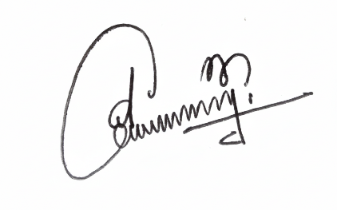

CUSTOMER SIGNATURE |  | JIJU JAYAPRASAD |  |  |  |  |  |  |  | DATE |  | 2026-04-03 |  |  |  |  |  | INSPECTOR |  | SHAJIMON P K

2
 |  | SAG ALSAHRA

 |  |  |  | PO Box: 757,4th Floor, Dar Al Atta Building, Ghala Heights, Muscat, Sultanate of Oman
 |  | MUD MOTOR INSPECTION REPORT |  |  |  |  |  |  |  |  |  |  |  |  |  |  |  | Report No:
CUSTOMER: |  |  |  |  |  | LOCATION: |  | NISWA WORKSHOP |  |  |  |  | JOB No: | 26028 |  |  |  |  | DATE:

SPECIFICATION: | DS-1 Vol 4 : |  | Tool Type: | TYPE A |  | Classification: |  |  |  | CLASS- A1 |  |  | RIG No: |  |  | N/A |  |  | WELL: |  | N/A

TOOL ID / SERIAL No. |  | 0 |  |  |  |  |  |  | TOOL DESCRIPTION |  |  |  |  |  | 0

ASSEMBLY PICTURE
ROTOR ( B x B) | 0 |  | STATOR ( B x B) |  | 0 |  |  | BEARING HOUSING ( B x B) |  |  | 0 |  |  |  |  | BEARING ADAPTOR ( B x B) |  |  |  |  | 0
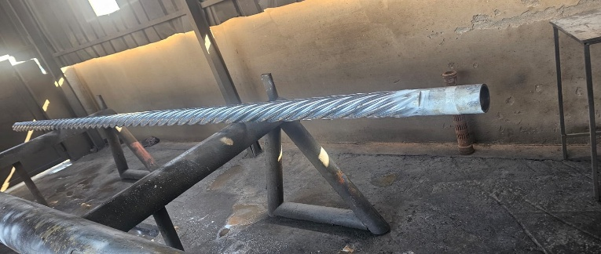

OFFSET HOUSING ( B x B) | CW2998668-1 |  | STATOR ADAPTOR |  | 0 |  |  | SPLINED MANDREL (PxP) |  |  | 0 |  |  |  |  | ROTOR ADAPTER |  |  | 0
 |  |  |  |  |  |  |  | NOT DISASSEMBLED

DRIVE SHAFT | 0 |  | ADJUSTING RING | 0 |  |  |  | CATCHER ROD |  |  | 0 |  |  |  |  | STABILIZER SLEEVE |  |  |  | 0
 |  |  | 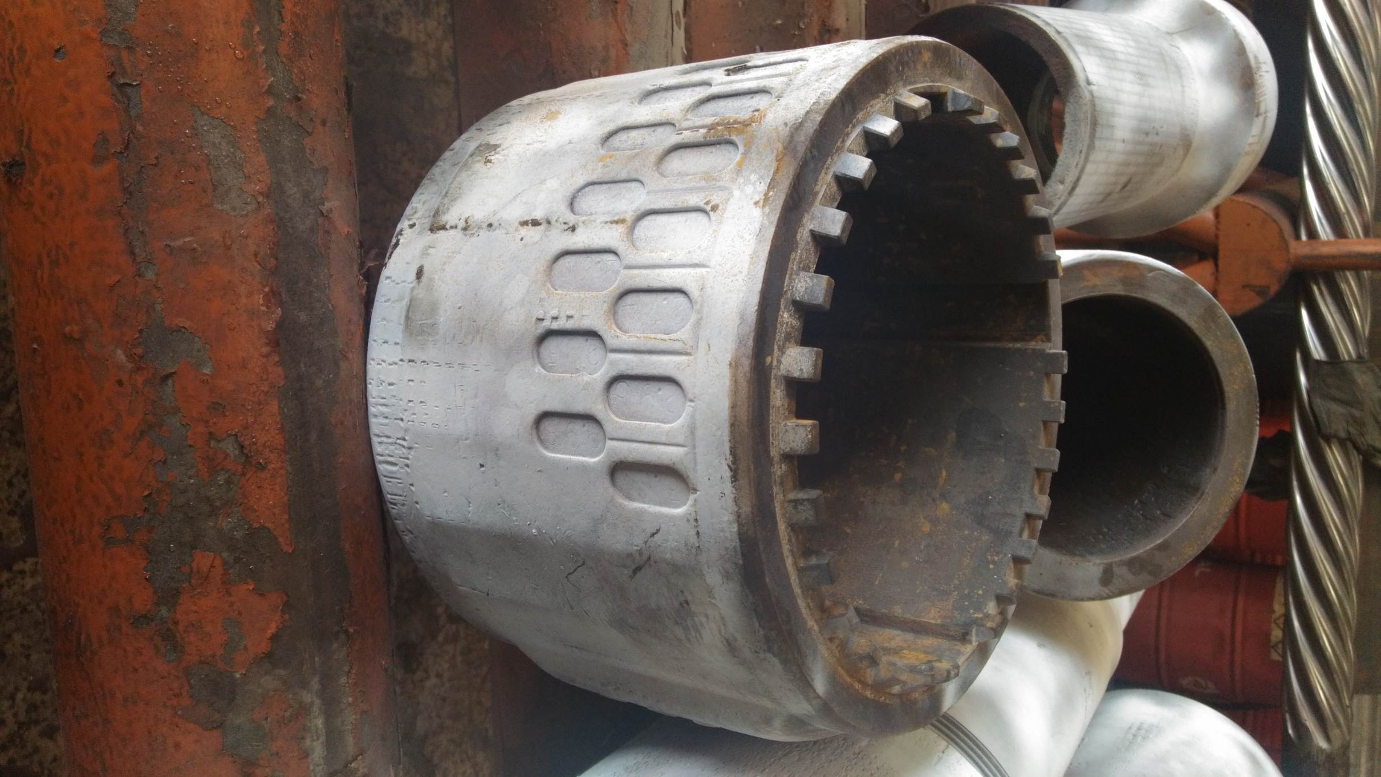

TOP SUB / CATCHER SUB | 0 |  | LOWER ROTATING RADIAL BEARING SLEEVE |  | 0 |  |  | UPPER ROTATING RADIAL BEARING SLEEVE |  |  |  | 0 |  |  | BEARING MANDREL |  |  |  |  | 0
 |  |  | LOWER ROTATING RADIAL BEARING RING |  | 0 |  |  | UPPER ROTATING RADIAL BEARING RING |  |  |  | 0


COMMENTS: | The above mentioned Motor parts has been inspected and No Defects Observed During Inspection.
 | FULL LENGTH BOROSCOPE INSPECTION CARRIED OUT USING INDUSTRIAL VIDEO SCOPE WITH ROTATING CAMERA AND DIGITAL IMAGING CAPABILITY.

CUSTOMER SIGNATURE |  | JIJU JAYAPRASAD |  |  |  |  | DATE |  | 2026-03-04 |  |  |  |  |  | INSPECTOR |  | SHAJIMON P K

